Sales Line Chart
Row Labels | Sum of Total Sales
2020 | 30871
Jan | 3526
Feb | 2042
Mar | 3932
Apr | 3416
May | 1634
Jun | 1722
Jul | 1670
Aug | 3156
Sep | 3860
Oct | 3417
Nov | 1672
Dec | 824
Grand Total | 30871

Customer Satisfaction Chart
Row Labels | Average of Customer Rating No | Product Category | Average of Customer Rating No | Total Rating
Caps | 3.7936507937 | Caps | 3.9 | 5
Grand Total | 3.7936507937 | Gym Wear | 3.9 | 5
 |  | Jackets | 3.8 | 5
 |  | Running Wear | 3.9 | 5
 |  | Sports Equipment | 3.5 | 5
 |  | SportsTeam Shirts | 3.9 | 5
 |  | Trainers | 3.9 | 5
 |  | T-shirts | 3.9 | 5

Returns Chart
Order Channel | Concession
46%
Row Labels | Count of Total Sales
No | 34
Yes | 29 | 46%
Grand Total | 63

46%
Order Channel | Concession

Row Labels | Count of Total Sales
No | 34
Yes | 29 | 46%
46%
Grand Total | 63

Order Channel | Concession

Row Labels | Count of Total Sales
No | 34
Yes | 29 | 46%
Grand Total | 63

Dashboard
Sales Dashboard
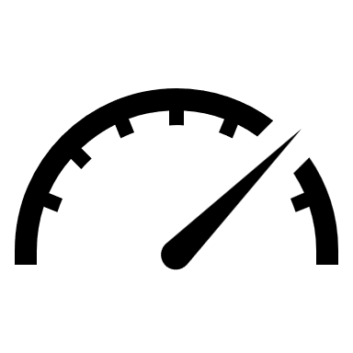

Sales Trend
 | Total
Jan | 3526
Feb | 2042
Mar | 3932
Apr | 3416
May | 1634
Jun | 1722
Jul | 1670
Aug | 3156
Sep | 3860
Oct | 3417
Nov | 1672
Dec | 824
Ratings out of 5

 | Average of Customer Rating No | Total Rating
Caps | 3.9 | 5
Gym Wear | 3.9 | 5
Jackets | 3.8 | 5
Running Wear | 3.9 | 5
Sports Equipment | 3.5 | 5
SportsTeam Shirts | 3.9 | 5
Trainers | 3.9 | 5
T-shirts | 3.9 | 5

Sales Channel
Returns

 | Total
No | 34
Yes | 29
 | Total
No | 34
Yes | 29
 | Total
No | 34
Yes | 29

46%
Concession

